Delivery Time
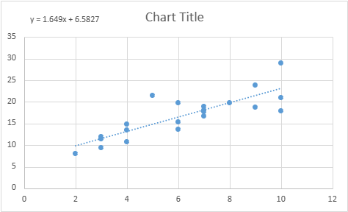
Sorting Time(x) | Delivery Time(y)
10 | 21 | SUMMARY OUTPUT
4 | 13.5
6 | 19.75 | Regression Statistics
9 | 24 | Multiple R | 0.825997261
10 | 29 | R Square | 0.682271475
6 | 15.35 | Adjusted R Square | 0.665548921
7 | 19 | Standard Error | 2.934903769
3 | 9.5 | Observations | 21
10 | 17.9
9 | 18.75 | ANOVA
8 | 19.83 |  | df | SS | MS | F | Significance F
4 | 10.75 | Regression | 1 | 351.4328384 | 351.4328384 | 40.79947816 | 3.98E-06
7 | 16.68 | Residual | 19 | 163.6595425 | 8.613660133
3 | 11.5 | Total | 20 | 515.092381
3 | 12.03
4 | 14.88 |  | Coefficients | Standard Error | t Stat | P-value | Lower 95% | Upper 95% | Lower 95.0% | Upper 95.0%
6 | 13.75 | Intercept | 6.582733972 | 1.721719437 | 3.823348816 | 0.001146982 | 2.979133775 | 10.18633417 | 2.979133775 | 10.18633417
7 | 18.11 | X Variable 1 | 1.649019897 | 0.25816573 | 6.38744692 | 3.98E-06 | 1.108672814 | 2.18936698 | 1.108672814 | 2.18936698
2 | 8
7 | 17.83
5 | 21.5
 |  | RESIDUAL OUTPUT

 |  | Observation | Predicted Y | Residuals
 |  | 1 | 23.07293294 | -2.07293294
 |  | 2 | 13.17881356 | 0.321186441
 |  | 3 | 16.47685335 | 3.273146647
 |  | 4 | 21.42391304 | 2.576086957
 |  | 5 | 23.07293294 | 5.92706706
 |  | 6 | 16.47685335 | -1.126853353
 |  | 7 | 18.12587325 | 0.87412675
 |  | 8 | 11.52979366 | -2.029793662
 |  | 9 | 23.07293294 | -5.17293294
 |  | 10 | 21.42391304 | -2.673913043
 |  | 11 | 19.77489315 | 0.055106853
 |  | 12 | 13.17881356 | -2.428813559
 |  | 13 | 18.12587325 | -1.44587325
 |  | 14 | 11.52979366 | -0.029793662
 |  | 15 | 11.52979366 | 0.500206338
 |  | 16 | 13.17881356 | 1.701186441
 |  | 17 | 16.47685335 | -2.726853353
 |  | 18 | 18.12587325 | -0.01587325
 |  | 19 | 9.880773766 | -1.880773766
 |  | 20 | 18.12587325 | -0.29587325
 |  | 21 | 14.82783346 | 6.672166544

